Sheet1
 | Mark10 Gauge(lb) | Left Wing-A | Left Wing-B | Left Wing-C | Left Wing-SUM | Right Wing-A | Right Wing-B | Right Wing-C | Right Wing-SUM
Offset (Init) | -0.15 | 0.99668164 | 1.00025644 | 0.99490733 | - | 1.00798075 | 1.0113647 | 1.00315282 | -
Offset (Load) | 0.15 | 0.99668446 | 1.00025883 | 0.99491334 | - | 1.00793974 | 1.01131775 | 1.00311451 | -
Init(1)-35lb | 35.05 | 0.00000329 | 0.00000143 | 0.00000434 | 0.00000906 | 0.0002444 | 0.00025544 | 0.0002578 | 0.00075765
Init(2)-70lb | 70 | 0.00000548 | 0.00000582 | 0.00000958 | 0.00002089 | 0.00051849 | 0.00052295 | 0.00053561 | 0.00157704
Load(1)-0lb | 0.15 | -0.00000105 | -0.00000172 | -0.00000138 | -0.00000415 | -0.00000374 | -0.00000498 | 0.0000001 | -0.00000863
Load(2)-5lb | 4.95 | 0.00000267 | -0.00000038 | -0.00000043 | 0.00000186 | 0.00002058 | 0.00001848 | 0.00002775 | 0.0000668
Load(3)-10lb | 9.95 | 0.00000048 | 0.00000095 | 0.00000043 | 0.00000186 | 0.00004995 | 0.00005662 | 0.00006943 | 0.000176
Load(4)-20lb | 20 | -0.00000038 | 0.00000534 | -0.00000205 | 0.00000291 | 0.00012863 | 0.00014064 | 0.00013504 | 0.00040431
Load(5)-30lb | 30.05 | 0.00000143 | 0.0000041 | -0.00000091 | 0.00000463 | 0.00019853 | 0.00022285 | 0.00020809 | 0.00062947
Load(6)-40lb | 40 | -0.00000257 | 0.00000067 | -0.00000119 | -0.0000031 | 0.00027416 | 0.00029323 | 0.00028601 | 0.0008534

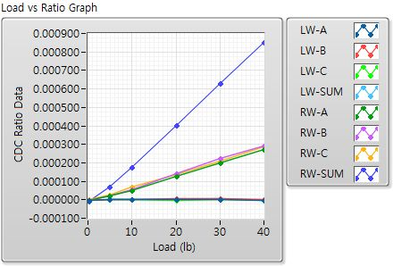

 | Left Wing-A | Left Wing-B | Left Wing-C | Right Wing-A | Right Wing-B | Right Wing-C
Coefficient X^0 | 4.4343835654 | 5.08631205 | 3.2466680226 | 0.36606257636 | 0.45063288358 | 0.12940860988
Coefficient X^1 | 4114630.3839 | 3047854.0258 | -2407361.1801 | 61805.710061 | 57975.342739 | 47481.546521
Coefficient X^2 | 5.5779693794E+11 | -1.8681055977E+11 | 2.9685138216E+12 | -116905586.1 | -136596821.03 | 12719672.23
Coefficient X^3 | -9.2347136718E+17 | -6.2124088572E+16 | 1.7283745422E+18 | 2.3509496138E+11 | 3.0342406304E+11 | -60439424610

